Datailed Inquiry Information
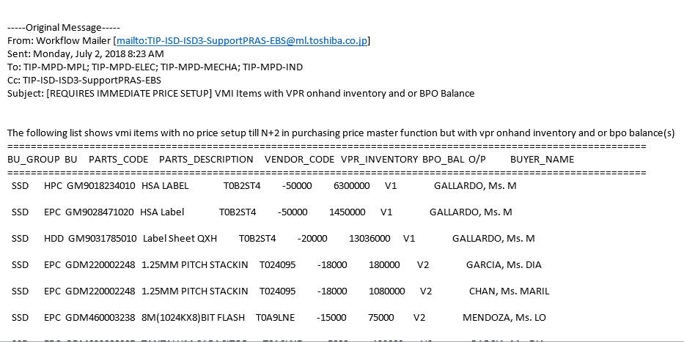
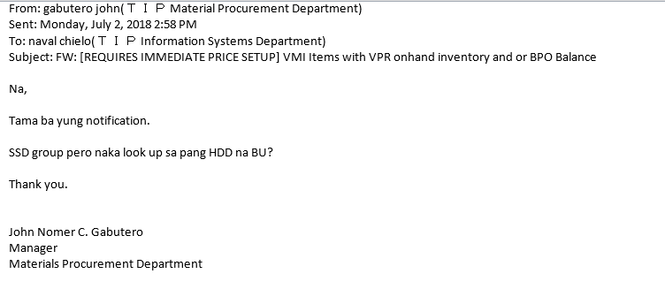
Detailed Inquiry Information

 | PLEASE PROVIDE EVIDENCE OF REQUEST / DETAILS OF REQUEST HERE (IN DETAIL).

Detailed Investigation Result
Detailed Investigation Result

 | SELECT
 | BPO_BAL.BU_GROUP
 | ,BPO_BAL.BU |  |  | For more details
 | ,BPO_BAL.PARTS_CODE
 | ,RPAD(BPO_BAL.PARTS_DESCRIPTION,20)
 | ,RPAD(NVL(BPO_BAL.BPO_BAL,0),15)
 | ,RPAD(NVL(VPR_ONHAND.ON_HAND_QTY,0),15)
 | ,RPAD(BPO_BAL.VENDOR_CODE,7)
 | ,RPAD(BPO_BAL.ORDER_PATTERN,2)
 | ,RPAD(BPO_BAL.BUYER_NAME,15)
 | INTO &BU_GROUP,&BU, &PARTS_CODE, &PARTS_DESCRIPTION, &BPO_BAL, &ON_HAND_QTY, &VENDOR_CODE, &ORDER_PATTERN, &BUYER_NAME
 | FROM (SELECT DISTINCT TBP.PARTS_CODE, TBP.ITEM_NAME
 | PARTS_DESCRIPTION ,TBP.VENDOR_CODE
 | ,TBP.ORGANIZATION_CODE BU
 | ,TPM.ORDER_PATTERN ,TBP.BUYER_NAME ,TPM.BU_GROUP
 | ,NVL(SUM(TBP.BPO_QUANTITY - TBP.TOTAL_RECEIPT_QUANTITY),0)BPO_BAL
 | FROM APPS.TIP_BPO TBP
 | ,APPS.TIP_PURCHASING_MST TPM
 | ,APPS.AP_SUPPLIERS ASU
 | WHERE TBP.PARTS_CODE = TPM.PARTS_CODE |  | Only Parts_Code is conditioned
 | AND TBP.VENDOR_CODE = ASU.SEGMENT1
 | AND TBP.BPO_STATUS <> '4'
Common for both BU_GROUP
 | AND TBP.CANCEL_DATE IS NULL
 | AND TPM.BU_GROUP = NVL(:BU_GROUP, TPM.BU_GROUP) | Sample Parts_code
 | GROUP BY TBP.PARTS_CODE, TBP.ITEM_NAME
 | ,TBP.VENDOR_CODE, TBP.ORGANIZATION_CODE
 | ,TPM.ORDER_PATTERN ,TBP.BUYER_NAME,TPM.BU_GROUP)BPO_BAL
 | ,(SELECT DISTINCT MSI.SEGMENT1 PARTS_CODE
 | ,NVL(SUM(MMT.TRANSACTION_QUANTITY),0)
 | ON_HAND_QTY ,OOD.ORGANIZATION_CODE BU
 | FROM APPS.MTL_MATERIAL_TRANSACTIONS MMT
 | ,APPS.MTL_SYSTEM_ITEMS MSI
 | ,APPS.ORG_ORGANIZATION_DEFINITIONS OOD
 | WHERE MMT.INVENTORY_ITEM_ID =
 | MSI.INVENTORY_ITEM_ID
 | AND MMT.OWNING_ORGANIZATION_ID =
 | MSI.ORGANIZATION_ID
 | AND MMT.OWNING_ORGANIZATION_ID = | When checking on TIP_BPO
 | OOD.ORGANIZATION_ID
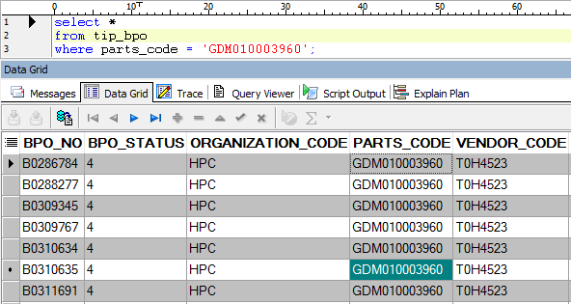
 | AND MMT.SUBINVENTORY_CODE LIKE '%VPR'
 | GROUP BY MSI.SEGMENT1 ,MMT.SUBINVENTORY_CODE,
 | OOD.ORGANIZATION_CODE
 | ORDER BY MSI.SEGMENT1 ASC) VPR_ONHAND
 | WHERE BPO_BAL.PARTS_CODE = VPR_ONHAND.PARTS_CODE(+)
Clearly for HDD only
 | AND BPO_BAL.BU = VPR_ONHAND.BU(+)
 | AND
 | (
 | BPO_BAL.PARTS_CODE NOT IN
 | (
 | (
 | SELECT DISTINCT TPM.PARTS_CODE
 | FROM APPS.TIP_PRICE_MST TPM
 | WHERE TRUNC(SYSDATE) BETWEEN TRUNC(TPM.EFFECTIVE_FROM) AND TRUNC(TPM.EFFECTIVE_TO)
 | AND TPM.VENDOR_CODE = BPO_BAL.VENDOR_CODE
 | AND TPM.BU_GROUP = BPO_BAL.BU_GROUP
 | ) )
 | OR
 | BPO_BAL.PARTS_CODE NOT IN
 | (
 | (
 | SELECT DISTINCT TPM.PARTS_CODE
 | FROM APPS.TIP_PRICE_MST TPM
 | WHERE TRUNC(ADD_MONTHS(SYSDATE,1)) BETWEEN TRUNC(TPM.EFFECTIVE_FROM) AND TRUNC(TPM.EFFECTIVE_TO)
 | AND TPM.VENDOR_CODE = BPO_BAL.VENDOR_CODE
 | AND TPM.BU_GROUP = BPO_BAL.BU_GROUP
 | ) )
 | OR
 | BPO_BAL.PARTS_CODE NOT IN
 | (
 | (
 | SELECT DISTINCT TPM.PARTS_CODE
 | FROM APPS.TIP_PRICE_MST TPM
 | WHERE TRUNC(ADD_MONTHS(SYSDATE,2)) BETWEEN TRUNC(TPM.EFFECTIVE_FROM) AND TRUNC(TPM.EFFECTIVE_TO)
 | AND TPM.VENDOR_CODE = BPO_BAL.VENDOR_CODE
 | AND TPM.BU_GROUP = BPO_BAL.BU_GROUP
 | )
 | )
 | )
 | AND (
 | (BPO_BAL.BPO_BAL != '0') OR
 | (VPR_ONHAND.ON_HAND_QTY != '0')
 | )
 | ORDER BY VPR_ONHAND.ON_HAND_QTY, BPO_BAL.PARTS_CODE ASC;

Helpdesk Request
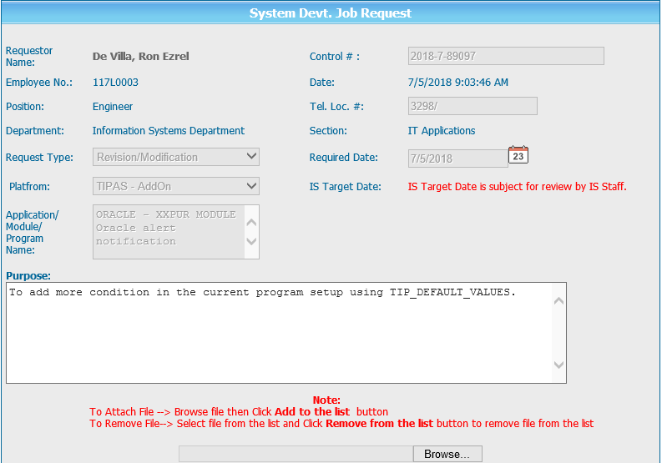
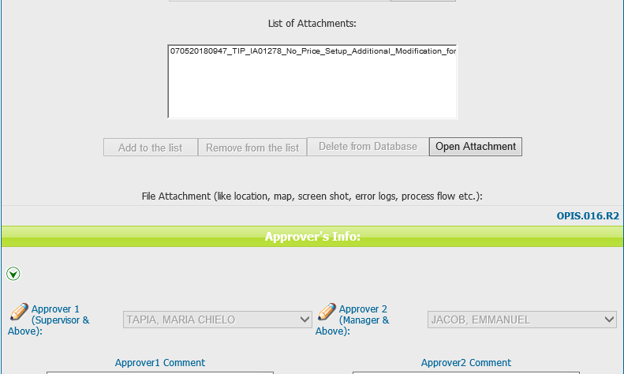
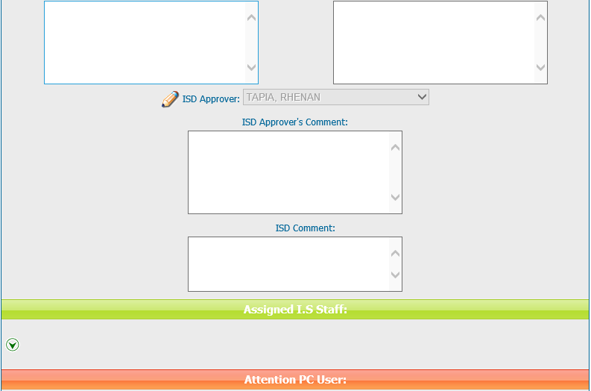
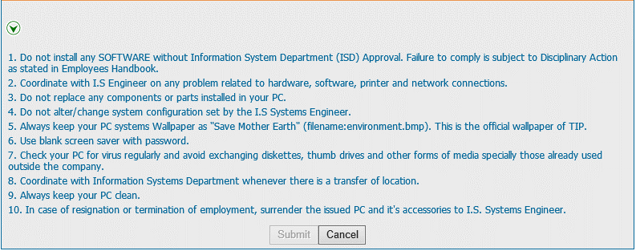
Helpdesk Request

 | ATTACH SCREENSHOT OF HELPDESK REQUEST.

